1. Title Page
Instacart Market Trends Analysis

Project Name: Instacart Grocery Analysis 2025
Date: 02/05/2025
Analyst Name: Saba Shakoor

Contents:
Population Flow
Consistency checks
Wrangling steps
Column derivations
Visualizations
Recommendations

Data Source: “The Instacart Online Grocery Shopping Dataset 2017”, Accessed from
 | www.instacart.com/datasets/grocery-shopping-2017 via Kaggle on [01/25/2025].

2. Population Flow
Title page

Population flow

Exclusion flag
Condition: max_order < 5
Obervations to be removed: 1444295
Final total count of order_products_all: 30964564

Orders_products_combined
Orders_products_merged
Orders_products_all

Total: 32404858
Total: 32434488
Total: 32404858

1.) The grey boxes in the first row of the population flow represent the original data sets as they were when you downloaded them. In the Total fields you need to add the count of the rows when you imported the data set into Jupyter.
2.) The second row of boxes (coloured) represents the data sets after you manipulated them, e.g., removed missing values and duplicates. In the Total fields you need to add the count of the rows after conducting these operations. This offers a visual oveview of how the data flows throughout the data consistency checks.
3.) The third row, where also the arrows are coloured, represents the merges you performed between the datasets. In the Total fields you need to add the count of the rows in the merged datasets, so that you end up with the final dataset (in the red box). Keep in mind the final dataset should be without exclusions (based on the exclusion flag).

3. Consistency checks
 |  |  |  | Title page
Consistency checks

Dataset | Missing values | Missing values treatment | Duplicates
orders | 206,209 in the 'days_since_prior_order' column | Flagged as first_order | No Duplicates
products | 16 missing 'product_name' | Deleted rows with missing data | 5 duplicates, deleted
orders_products_prior | None | None | No duplicates
customers | None | None | No duplicates
orders_products_customers | prices over $100 marked as missing | Changed to NaN | No data provided on this

4. Wrangling steps
 |  |  |  | Title page
Wrangling steps

Columns dropped | Columns renamed | Columns' type changed | Comment/Reason
eval_set | order_dow → order_day_of_week | user_id (int → string) | eval_set was unnecessary for analysis as it was used
 |  |  | for dataset partitioning.
product_name (after cleaning) | order_hour_of_day → order_hour | order_hour_of_day (int → category) | product_name had missing values and was dropped
 |  |  | after cleaning.
add_to_cart_order | aisle_id → aisle_code | order_id (int → string) | add_to_cart_order wasn’t relevant for final analysis.

days_since_prior_order (NaNs) | department_id → department_code | price (float → int, after rounding) | Dropped rows where days_since_prior_order had
 |  |  | missing values flagged as first order.

5. Column derivations
 |  |  |  | Title page

Column derivations and aggregations

In this tab you should add tables below that the frequences of flags/label variables that you produced after deriving them. NB: don't do this for continuous variables, only for flags.
Dataset | New column | Column/s it was derived from | Conditions
orders_products_all | merge_flag | Merging process | Identifies whether the
 |  |  | row resulted from an
 |  |  | inner, left, or right merge
 | price_category | prices | Prices > 15 → High-cost product
 |  |  | Prices between 8 and 15 → Mid-cost product
 |  |  | Prices ≤ 8 → Budget-friendly product
 | peak_order_day | order_day_of_week | Day 0 → Peak shopping day
 |  |  | Day 4 → Least active day
 |  |  | Else → Moderately busy
 | active_shopping_period | order_hour_of_day | Hours {9,10,11,12,13,14,15,16} → High-traffic hours
 |  |  | Hours {2,3,4,5} → Low-traffic hours
 |  |  | Else → Moderate flow
customer_purchase_ | max_order_count | order_number | Computes max order count per
summary.pkl |  |  | customer using .groupby('user_id')
 |  |  | ['order_number'].max()
 | order_frequency_tag | max_order_count | Orders ≥ 30 → Bulk shopper
 |  |  | Orders between 6 and 29 → Frequent buyer
 |  |  | Orders ≤ 5 → Casual shopper
 | avg_spending_per_order | prices | Calculates the mean spending per order for each customer

 | spending_category | avg_spending_per_order | Spending below (mean + std deviation) → Conservative spender
 |  |  | Spending above threshold → Premium spender
 | median_purchase_interval | days_since_last_order | Finds the median interval between purchases for each user

 | customer_engagement | median_purchase_interval | Interval ≥ 14 days → Irregular buyer
 |  |  | Interval 8-13 days → Occasional buyer
 |  |  | Interval < 8 days → Loyal buyer
 | loyalty_segment | order_frequency_tag, spending_ | High-volume & High-spender & Frequent buyer → VIP customer
 |  | category, customer_engagement | Otherwise → Regular customer

customer_behavior_analysis.pkl | average_spent_per_order | user_id, order_number, spending_ | Calculates the total amount spent per
 |  | category, loyalty_segment, | order while considering multiple demographic factors
 |  | geographical_region, age_segment
 |  | , income_bracket, household_dependency

6. Visualizations
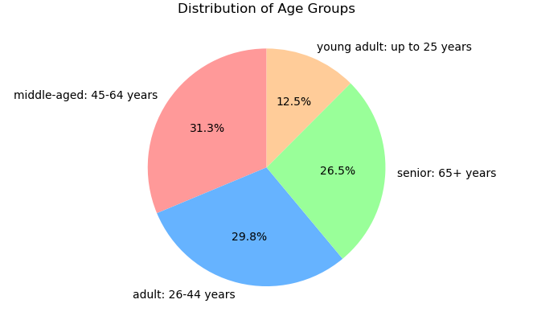
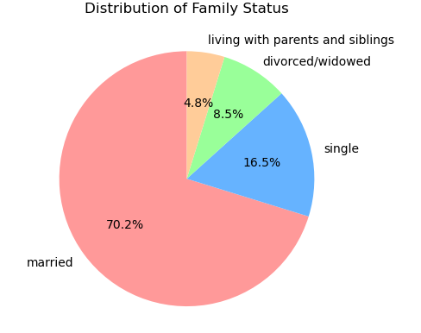
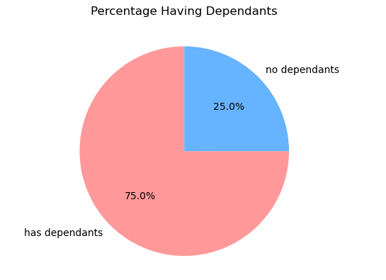
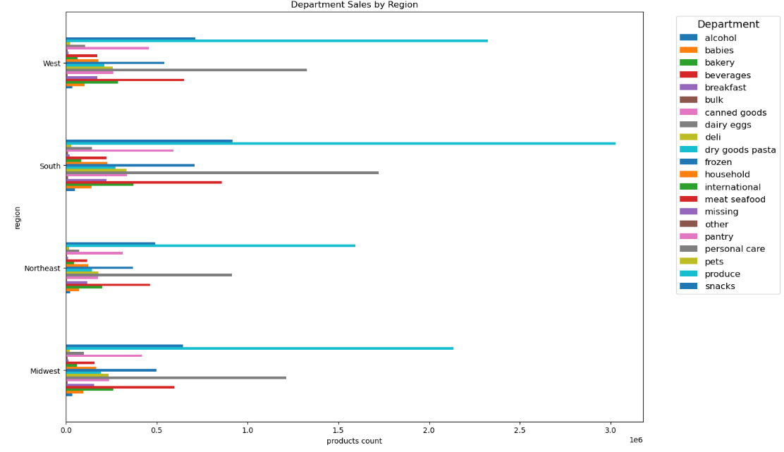
 |  |  |  |  |  | Title page

Visualisations

In this tab you should include all the visualtions from Exercises 4.9 and 4.10, alongside the questions from the project brief that they answer. Include any commentary on the relationship between different variables.

Question: | On which days do customers place the most and least orders?

Answer: | The busiest day is Saturday, followed by Sunday, while the least busy day is Wednesday.
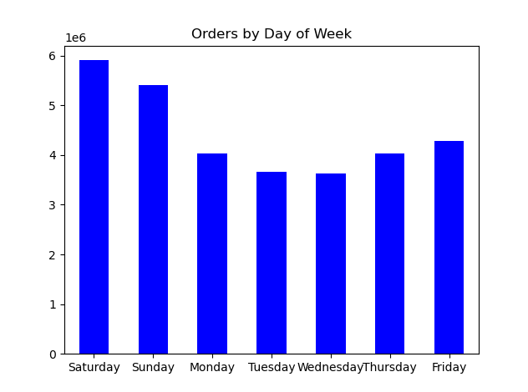

Question | At what time of the day do customers place the most orders?
Answer | The peak ordering hours are 10 AM - 3 PM, with the highest at 12 PM.

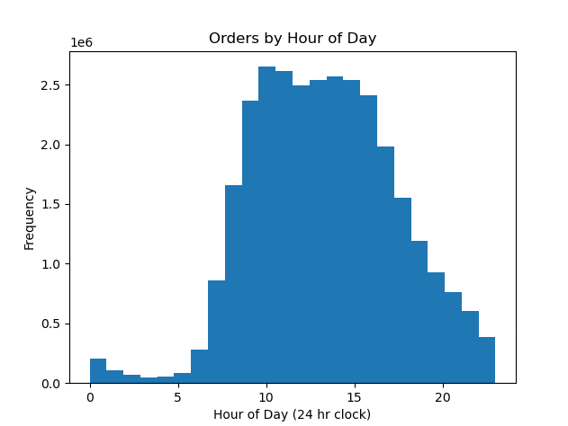
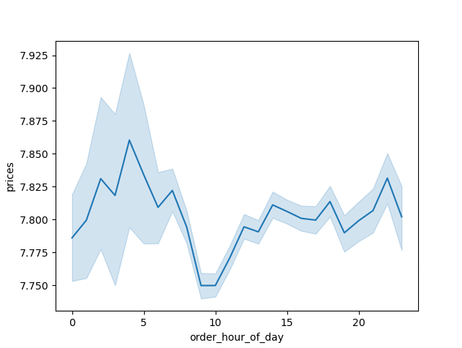

Question | Which age group has the highest proportion of loyal customers? | Question | How does customer loyalty vary by income group?
Answer | Seniors 60+ and middle-aged 40-60 have the highest loyalty rates. | Answer | Higher-income customers tend to be more loyal, while lower-income customers show lower loyalty levels

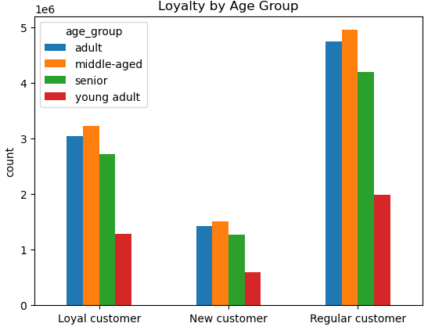
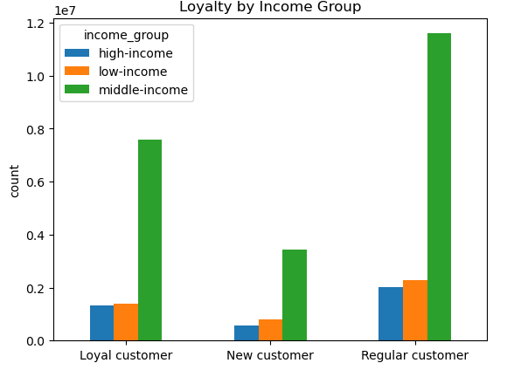

Question | Which department contributes the most to overall sales?
Answer | The produce department has the highest number of orders, followed by dairy and beverages,
 | indicating that fresh and essential grocery items are the most frequently purchased.

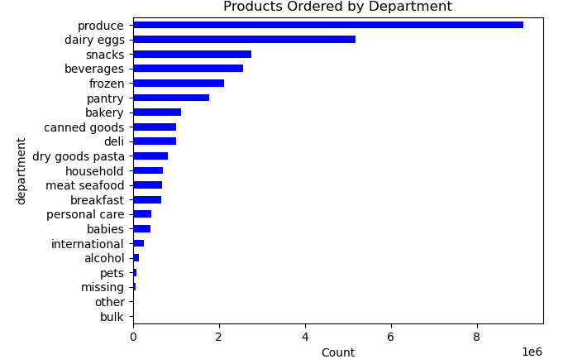

Question | How does customer loyalty vary across different age groups? |  |  | Question | Is there a relationship between customer loyalty and family status?
Answer | Older customers, particularly middle-aged and senior shoppers, show higher |  |  | Answer | Married customers or those with dependents tend to be more loyal shoppers,
 | loyalty compared to younger age groups, suggesting that long-term customers |  |  |  | likely due to their need for frequent and consistent grocery purchases.
 | tend to place repeat orders more frequently.

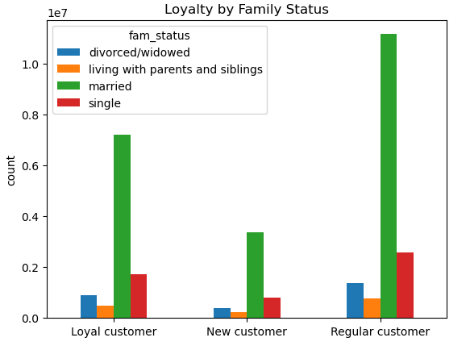

Question | How do department sales differ across various regions?
Answer | Sales distribution by department shows significant variation across regions.

7. Recommendations
 |  |  | Title page

Recommendations

In this tab you should include any recommendations you would made to Instcart in terms of their marketing strategy based on the questions posed in the brief. Every key question has been covered in the Tasks of the Exercises - here you need to add an item - a visualisation or table/crosstable that is showing the answer in the data, acompanied by a comment from you. Please, list the questions below and add the answer underneath.

Question | Answer
Key Question 1
Key Question 2
Key Question 3
Key Question 4
Key Question 5
Key Question 6
Key Question 7

 | Question | Answer | Recommendations
 | 1. How often do customers place orders? | Most customers reorder within 7 days, | 📌 Target frequent shoppers with personalized promotions ( loyalty discounts for weekly buyers).
 |  | with a secondary peak at 30 days for bulk shoppers. | 📌 Engage monthly shoppers with reminders & bulk-buy discounts.

 | 2. Do different customer types spend | Loyal customers have higher average spending, while | 📌 Retention campaigns for loyal customers (exclusive deals, VIP benefits).
 | differently? | new customers show inconsistent spending patterns. | 📌 Encourage first-time buyers with welcome discounts & personalized product suggestions.

 | 3. When do customers shop the most? | Peak ordering times are 10 AM - 3 PM, with minimal activity | 📌 Time-based promotions (lunch-hour discounts).
 |  | from 1 AM - 5 AM. | 📌 Encourage off-peak shopping with incentives during low-traffic hours.

 | 4. What pricing range do customers prefer? | Most purchases fall within the mid-range ($8-$15), while | 📌 Focus on promoting mid-range products with bundle offers.
 |  | high-end products have fewer buyers. | 📌 Use targeted ads for premium products to high-income shoppers.

 | 5. Does income influence spending behavior? | Higher-income customers spend more, but some | 📌 Segment marketing by income—luxury product promotions for high-income groups & budget-friendly deals for others.
 |  | lower-income customers make high-value purchases.

 | 6. Do customers with dependents shop more | Households with dependents tend to make larger, more | 📌 Family-oriented promotions (bulk discounts, subscription services).
 | frequently? | frequent purchases. | 📌 Personalized shopping lists for parents & caregivers.

 | 7. What factors influence customer loyalty? | High loyalty is linked to high order volume, high spending, | 📌 Strengthen loyalty programs—exclusive offers for top shoppers.
 |  | and frequent reordering. | 📌 Subscription model for recurring orders (auto-reorder for groceries).

